Dashboard
Materials
Water
Energy
Emissions
Labour
Compliance
Economic
Home
Waste/Efffluents

GRI Standard Disclosures Index

Disclosure | Description | Requirements
EN1 | Materials Used by Weight or Volume
EN3 | Energy Consumption Within the Organization
EN4 | Energy Consumption Outside the Organization
EN5 | Energy Intensity
EN6 | Reduction of Energy Consumption
EN8 | Total Water Withdrawal By Source
EN15 | Direct Greenhouse Gas (GHG) Emissions (Scope 1)
EN16 | Energy Indirect Greenhouse Gas (GHG) Emissions (Scope 2)
EN17 | Other Indirect Greenhouse Gas
EN18 | Greenhouse Gas (GHG) Emissions Intensity
EN19 | Reduction of Greenhouse Gas (GHG) Emissions
EN21 | Nox, Sox, and Other Significant Air Emissions
EN23 | Total Weight of Waste by Type and Disposal Method | [x]
EN24 | Total Number and Volume of Significant Spills
EN25 | Weight of Transported, Imported, Exported, or Treated Waste Deemed Hazardous
EN29 | Monetary Value of Significant Fines and Total Number of Non-Monetary Sanctions for Non-Compliance
EN31 | Total Environmental Protection Expenditures and Investments by Type
LA6 | Type of Injury and Rates of Injury, Lost Days by Region and Gender | [x]
LA7 | Workers with High Incidence of Increased Risk

Emissions
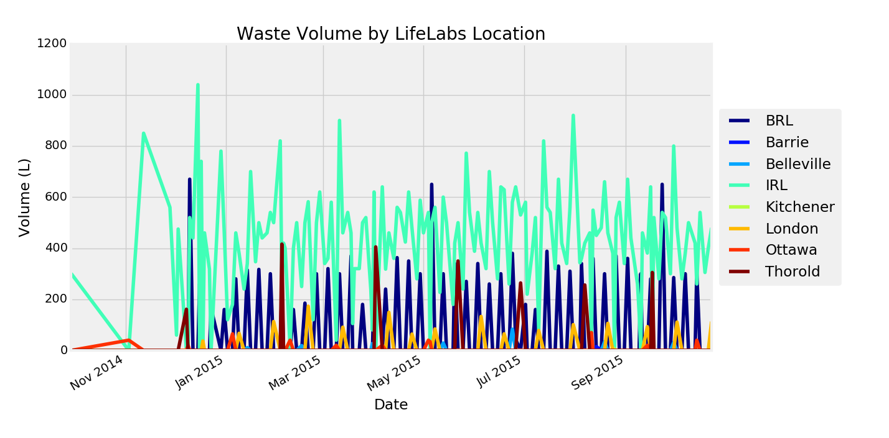
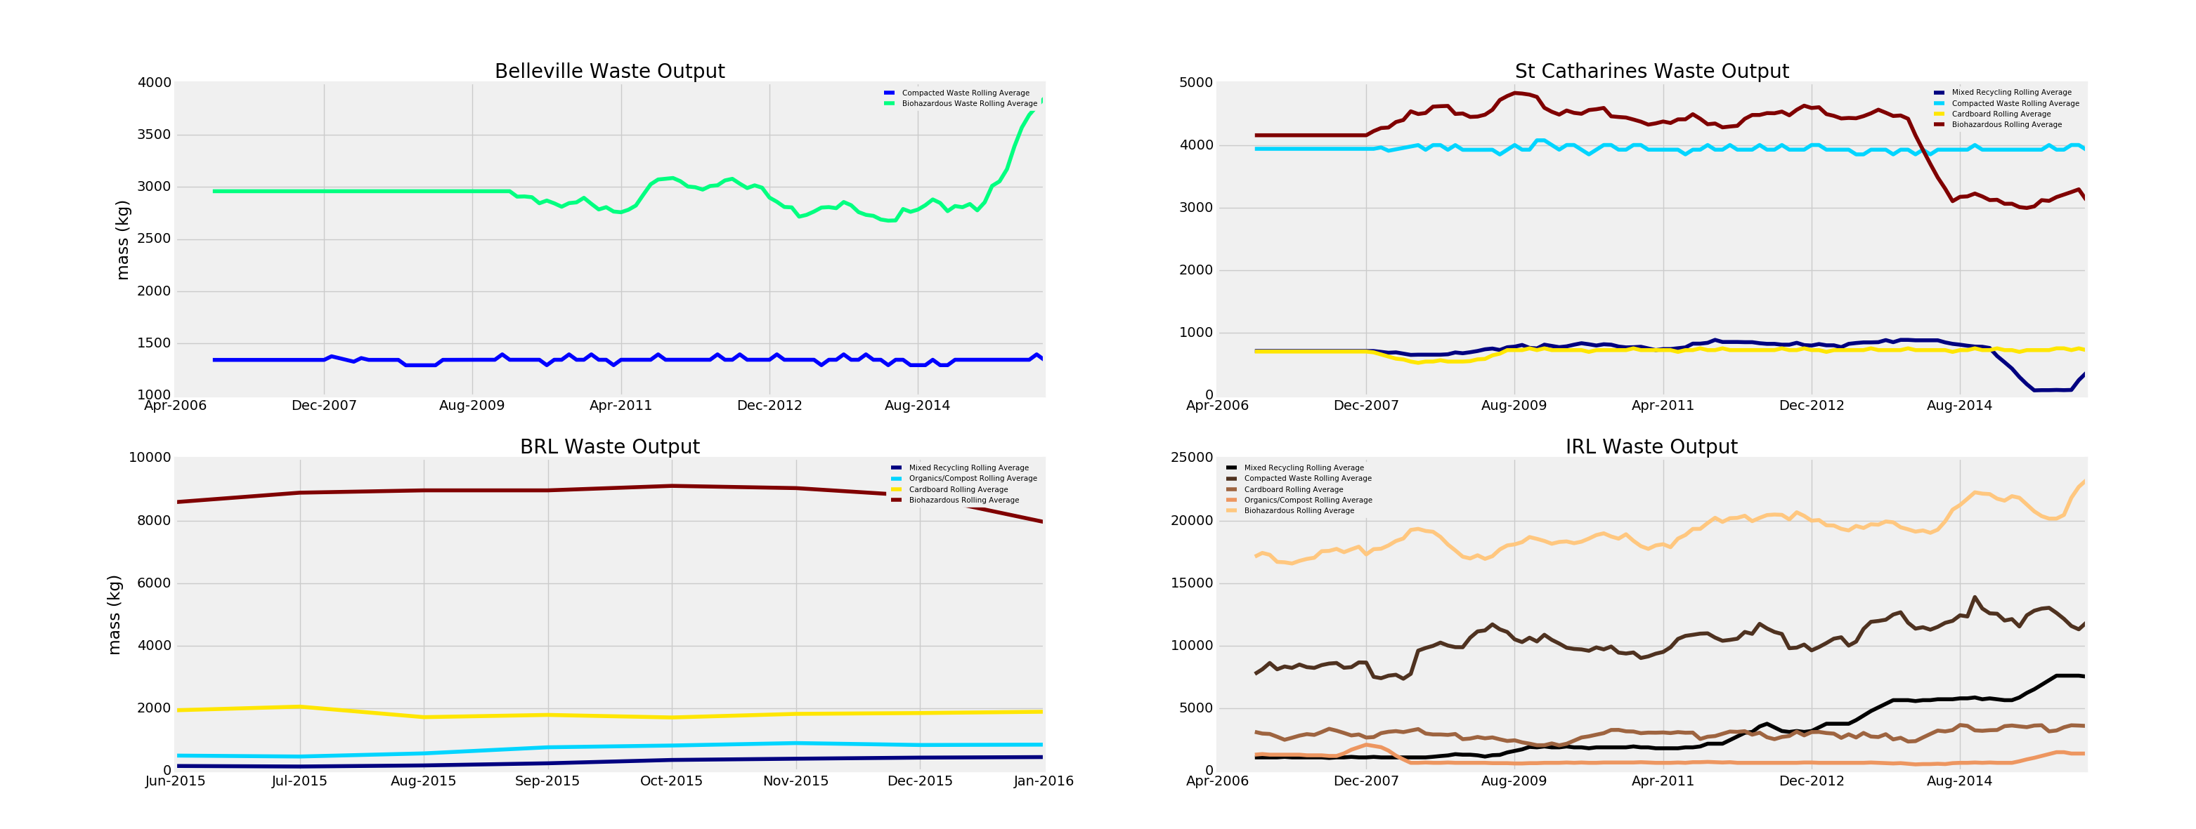
Materials
Water
Energy
Emissions
Labour
Compliance
Economic
Home
Waste/Efffluents
 |  | 6

% Waste Diverted From Landfill
 | % Hazardous Waste | % Recycling | % of waste to landfill
 | 52.3% | 23.8% | 24.0%
 | 0.0% | 100.0% | 0.0%
 | 39.3% | 9.6% | 51.1%
 | 75.9% | 0.0% | 24.1%
 |  |  |  |  | 0.73
 |  |  |  |  | 0.73
 |  |  |  |  | 0.73
 |  |  |  |  | 0.78
 |  |  |  |  | 0.75
 |  |  |  |  | 0.75
Dynamically Change Scrollbar Max Value: | 6

Waste Diversion by Type
 | Total
January | 85745.0414
February | 88129.5348
March | 89842.93
April | 100545.06
May | 93147
June | 93907
July | 94205
August | 87634
September | 97097.65
October | 101972
November | 100035
December | 62420

Labour
Materials
Water
Energy
Emissions
Labour
Compliance
Economic
Home
Waste/Efffluents

Rolling Incident Rate by Incident Type
 | Number of Incidents | Rolling Incident Rate
Feb-14 | 4 | 4.7509633388
Mar-14 | 2 | 4.5467443407
Apr-14 | 4 | 4.342523705
May-14 | 3 | 4.631883376
Jun-14 | 2 | 4.522486566
Jul-14 | 2 | 4.5159191945
Aug-14 | 3 | 4.5523762129
Sep-14 | 3 | 4.0963185392
Oct-14 | 7 | 4.5279635342
Nov-14 | 3 | 4.6318119146
Dec-14 | 4 | 4.6451040832
Jan-15 | 2 | 4.7349052562
Feb-15 | 2 | 4.5607986205
Mar-15 | 4 | 4.6893041173
Apr-15 | 5 | 4.6630528383
May-15 | 2 | 4.5000832543
Jun-15 | 3 | 4.7309080027
Jul-15 | 7 | 5.3953356626
Aug-15 | 3 | 5.5778163691
Sep-15 | 2 | 5.5902299184
Oct-15 | 4 | 5.0737991839
Nov-15 | 1 | 4.8072737628
Dec-15 | 2 | 4.455055123
Jan-16 | 4 | 4.7308358755
Lifelabs Incident Rate
 | Number of Incidents | Incident Rate
Feb-14 | 24 | 8.1974976302
Mar-14 | 18 | 6.4364005712
Apr-14 | 14 | 5.4766975504
May-14 | 18 | 7.0017444506
Jun-14 | 14 | 4.1093426628
Jul-14 | 16 | 5.1240405665
Aug-14 | 8 | 1.5052729618
Sep-14 | 24 | 10.177582444
Oct-14 | 26 | 12.355251651
Nov-14 | 20 | 9.339976446
Dec-14 | 18 | 7.8297741192
Jan-15 | 20 | 6.1623808345
Feb-15 | 26 | 11.576832237
Mar-15 | 12 | 4.2051247457
Apr-15 | 22 | 8.3896235901
May-15 | 24 | 8.3709086848
Jun-15 | 20 | 8.2917221219
Jul-15 | 36 | 11.221147782
Aug-15 | 22 | 7.8408005895
Sep-15 | 28 | 10.98730435
Oct-15 | 30 | 11.261547461
Nov-15 | 8 | 2.3432142611
Dec-15 | 20 | 3.9970281819
Jan-16 | 18 | 3.592542462

Lifelabs Rolling Incident Rate
 | Number of Incidents | Rolling Incident Rate
Feb-14 | 24 | 11.654482661
Mar-14 | 18 | 11.958582326
Apr-14 | 14 | 10.764220382
May-14 | 18 | 10.647949931
Jun-14 | 14 | 10.553867597
Jul-14 | 16 | 10.457252578
Aug-14 | 8 | 10.128320606
Sep-14 | 24 | 9.7227881475
Oct-14 | 26 | 9.9416904968
Nov-14 | 20 | 10.272796456
Dec-14 | 18 | 9.8698951173
Jan-15 | 20 | 9.8201272242
Feb-15 | 26 | 10.107550763
Mar-15 | 12 | 9.8396934447
Apr-15 | 22 | 10.186136615
May-15 | 24 | 10.382674083
Jun-15 | 20 | 10.79125922
Jul-15 | 36 | 11.552381394
Aug-15 | 22 | 12.414918469
Sep-15 | 28 | 12.56417642
Oct-15 | 30 | 12.561419498
Nov-15 | 8 | 11.600005451
Dec-15 | 20 | 10.806633375
Jan-16 | 18 | 10.23890728
Lifelabs Lost Time Rate
 | Number of Lost Time Incidents | Lost Time Rate
Feb-14 | 4 | 1.7469358894
Mar-14 | 8 | 2.6317558892
Apr-14 | 2 | 0.46126008044
May-14 | 2 | 1.1912495099
Jun-14 | 4 | 0.96628193024
Jul-14 | 6 | 2.1104800139
Aug-14 | 0 | 0
Sep-14 | 6 | 2.9176997721
Oct-14 | 4 | 2.3392774568
Nov-14 | 6 | 2.9520862684
Dec-14 | 4 | 0.90407601996
Jan-15 | 6 | 2.3296722379
Feb-15 | 10 | 5.4537378639
Mar-15 | 4 | 1.6330355995
Apr-15 | 8 | 3.4839797429
May-15 | 8 | 3.2667229763
Jun-15 | 6 | 2.1208856397
Jul-15 | 2 | 0.31220113083
Aug-15 | 6 | 2.7423250294
Sep-15 | 16 | 6.4064246271
Oct-15 | 16 | 6.7608066568
Nov-15 | 12 | 4.1983158697
Dec-15 | 6 | 1.2406064464
Jan-16 | 2 | 0.52595323745
LifeLabs Rolling Days Lost
 | Number of Lost Time Incidents | Rolling Days Lost/Lost Time Incident
Feb-14 | 4 | 56.898533478
Mar-14 | 8 | 54.994550654
Apr-14 | 2 | 60.386278186
May-14 | 2 | 72.319345238
Jun-14 | 4 | 72.136050157
Jul-14 | 6 | 71.18610498
Aug-14 | 0 | 73.490406055
Sep-14 | 6 | 80.845628342
Oct-14 | 4 | 80.380892857
Nov-14 | 6 | 76.667333333
Dec-14 | 4 | 77.973663004
Jan-15 | 6 | 77.30503663
Feb-15 | 10 | 70.325254516
Mar-15 | 4 | 70.705185185
Apr-15 | 8 | 60.945740573
May-15 | 8 | 49.873747475
Jun-15 | 6 | 43.090186791
Jul-15 | 2 | 39.879275794
Aug-15 | 6 | 33.923904762
Sep-15 | 16 | 27.804125
Oct-15 | 16 | 22.907213158
Nov-15 | 12 | 21.884430522
Dec-15 | 6 | 22.553457353
Jan-16 | 2 | 22.070988636

Spills - Internal Graph
Refresh
Clear Filters
City | (All)
Corrective Actions | (All)
Year | (All)
Root Cause | (All)

Number of Biological/Chemical Spills
 | Ontario | British Columbia
Nov | 1 | 4
Dec | 3
Jan | 4 | 1
Feb | 4 | 1
Count of Hazard Number
 | Ontario | British Columbia | Grand Total
Nov | 1 | 4 | 5
Dec | 3 |  | 3
Jan | 4 | 1 | 5
Feb | 4 | 1 | 5
Grand Total | 12 | 6 | 18

Spills - External
January
0
MONTH OF
UNPLANNED DISCHARGE(S)
Sodium Azide Treatment System Failures
Location | Address | Date | Unplanned Discharge | Root Cause | Corrective Action | Preventative Strategy | Comments
Sudbury | 65 Larch Street | Oct 21 - 22, 2015 | Yes (see report) | Troubleshoot Azide System Tank overflow; Treatment tank level control was stuck, causing the unit to go into overflow. This doesn't allow the treatment to occur. | Cleaned out floats and checked that operation was in good standing. Replaced cooling filters and completed PM tasks. | Will have frequency of level control being cleaned on all systems during the PMSs changed to monthly to overcome them getting clogged. Will help to keep them clean and prevent sticking. | Cleaned out both tanks and cleaned the solenoid valve in tank as it looked gunked up. |  | January | 0
Sudbury | 65 Larch Street | Dec 4 - 7, 2015 | Yes (see report) | Troubleshoot Azide System Tank overflow; Holding tank level control was stuck, causing the unit to go into overflow. | Cleaned out floats and checked that operation was in good standing. Replaced cooling filters and completed PM tasks. | Will have frequency of level control being cleaned on all systems during the PMSs changed to monthly to overcome them getting clogged. Will help to keep them clean and prevent sticking. | Conducted the regular preventative maintenance as well.
Sudbury | 66 Larch Street | Dec 14 - 15, 2015 | No (diverted samples to IRL) | Troubleshoot Azide System Tank overflow; Solenoid valve in the holding tank was stuck. Part was replaced in June 2015 as part of annual preventative maintenance program.
Ottawa | 1919 Riverside Drive | Dec 14 2015 | No (testing was placed on hold) | Troubleshoot Azide System Tank overflow; Holding tank level control swtich and sensor stopped sending a signal, causing the unit to go into overflow. | Replaced the level control switch and sensor. | Looking into a different type for future repairs. |  | Location | Classification | Oct | Nov | Dec | Jan | Feb
Sudbury | 66 Larch Street | Dec 21 - 22, 2015 | No (diverted samples to IRL) |  |  |  |  | Sudbury | Unplanned Discharge | 1 | 0 | 1 | 0 | 0
Sudbury | 66 Larch Street | Dec 15 2015 | No | The recirucation solenoid valve was stuck open causing the water to recirculate instead of going to drain. Causing the holding tank to fill before the treatment tank empties. | Rebuilt the recirculation solenoid valve | Evoqua to source a new float control switch and solenoid valve. To be tested at IRL in the near future. |  | Sudbury | Not an Unplanned Discharge | 0 | 0 | 5 | 3 | 0
Sudbury | 66 Larch Street | Dec 22 2015 | No | The High Level and low level were activated on the treatment tank. Check the level control and found the low level was not gummed up. It would fail intermittently. | Replaced Level controls on treatment tank and to be cautious I changed the holding tank level controls. | Evoqua to source a new Float control switch & solenoid valve. To be tested at IRL in the near future |  | Ottawa | Unplanned Discharge | 0 | 0 | 0 | 0 | 0
Sudbury | 66 Larch Street | Jan 4 2016 | No | System 3 was in alarm due to high treatment tank level alarm The tank was in normal condition and did not have a high level of debris in it. The level switch had mechanically failed. | I replaced the level switch cleaned the tank and restarted the system to normal operating conditions. | Evoqua to source a new electronic style float. |  | Ottawa | Not an Unplanned Discharge | 0 | 2 | 1 | 0 | 0
Sudbury | 66 Larch Street | Dec 15 2015 | No | The Recirculation solenoid valve was stuck open causing the water to recirculate instead of going to drain. Causing the holding tank to fill before the treatment tank empties. | Rebuilt the recirculation solenoid valve. | Evoqua to source a new Float control switch & solenoid valve. To be tested at IRL in the near future. |  | Burnaby | Unplanned Discharge | 0 | 0 | 0 | 0 | 1
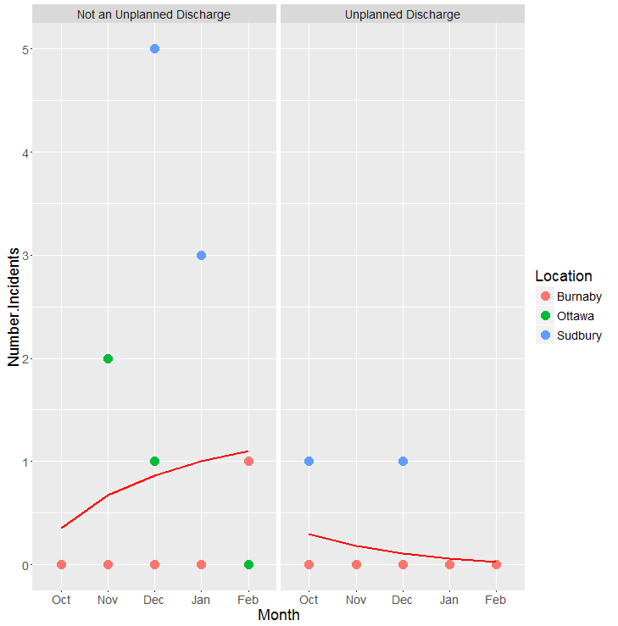
Ottawa | 1919 Riverside Drive | Nov 26 2015 | No | The GFCI outlet that the transfer pumps are plugged into had tripped. Upon further inspection, it was determined that the GFCI was tripping without cause, and therefore had failed. This prevented the pumps from transferring waste, allowing the waste to overflow into the retention basin, initiating the leak detectors and shutting the system down in alarm. | The technician replaced the failed GFCI outlet with a new one.
Ottawa | 1919 Riverside Drive | Nov 27 2015 | No | The transfer pump “B” had failed. This possibly occurred due to the overflows that had happened a day previously, causing the pump controls to short circuit. | Transfer pump “B” was replaced by technician.
Sudbury | 66 Larch Street | Jan 16 2016 | No | Sink drain plugged with plastic bits and lint. Also Bacteria build up. | Advised Customer to try and keep fluids out of the sink. Also to dump 1 L of city water down per week Rob will be looking into a monthly flush of the sink
Sudbury | 66 Larch Street | Jan 16 2016 | No | Under sink transfer pumps - sink drain was blocked before it got to the transfer pumps. Same white accumulation (buildup of yeast/bacteria colony accumulation in the treatment tank and recirculation solenoid) |  |  | Tank has been vaccuumed out and both valves have been cleaned before and after vacuuming out the tank. 4 treatment cycles have gone through without issue.
Burnaby | 3680 Gilmore Way | Feb 22 2016 | No | Higher than normal flows are occurring due to analyzer upgrade project in HVCL as crossover studies are still being conducted. This may be causing a higher than normal sodium azide concentration that Evoqua cannot verify. If this were the case it could be suggested that longer treatment times would be necessary. | • During regular service, normal samples were drawn and tested yielding normal results of <0.03 on skid A & skid B. During the preceding period, no functional anomalies were experienced or recorded. System is producing normal results at time of testing. • Since longer treatment is currently not an option due to current volumes at or above maximum and expected to increase, a third treatment skid and master collection/distribution system are being added. | • Continued sample testing and verification against recent service and adverse conditions. • Addition of 3rd skid and collection distribution system project

